REED VALVE APPS
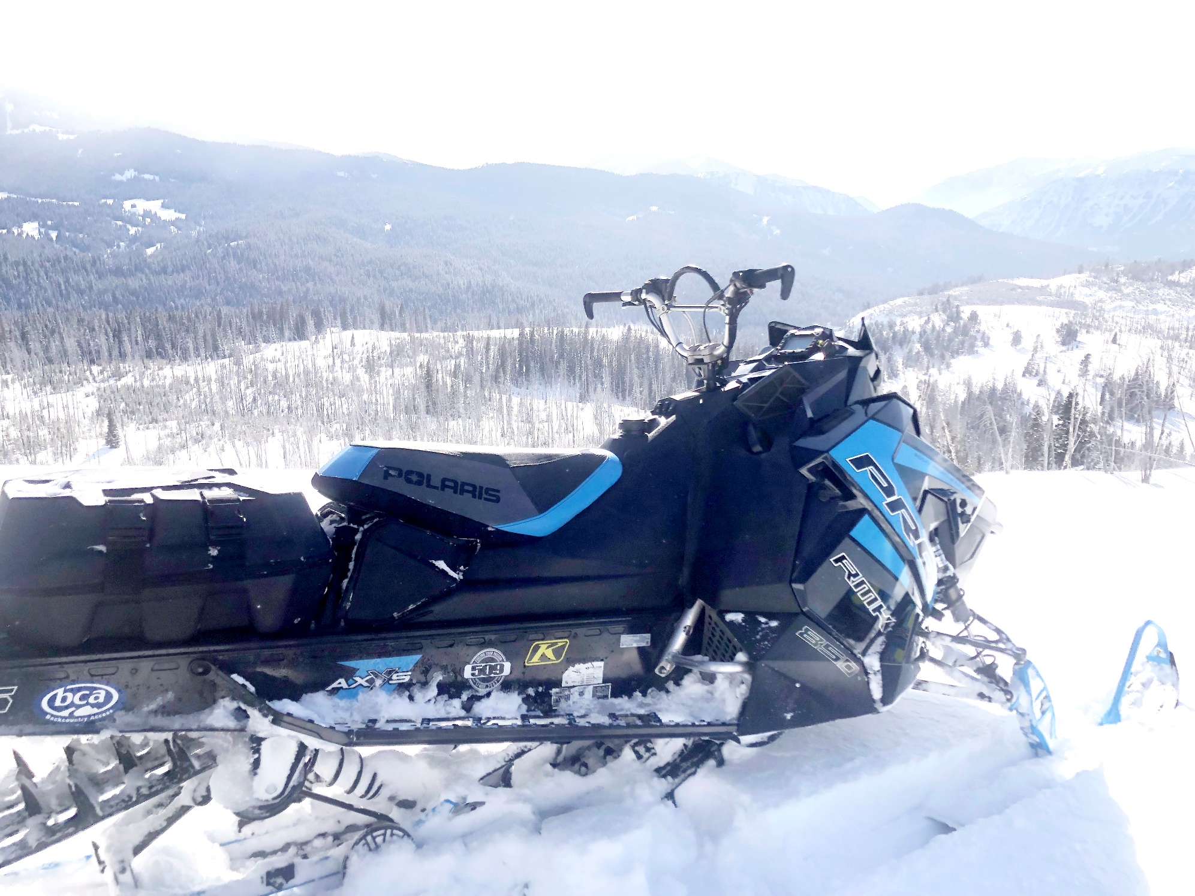
REED VALVE ASSEMBLIES

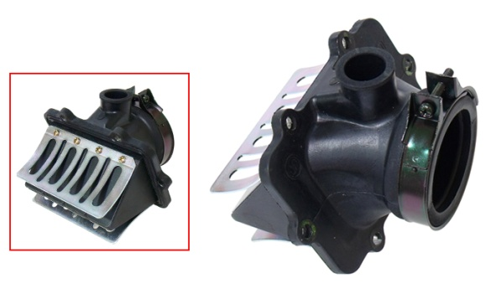
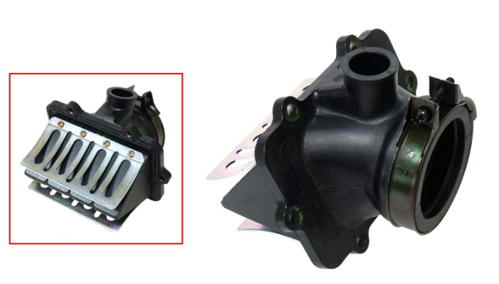
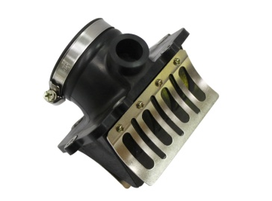

07-102-08
OEM# 420867879
SM-07089
OEM# 420867874
SM-07090
OEM# 420867870, 420867873

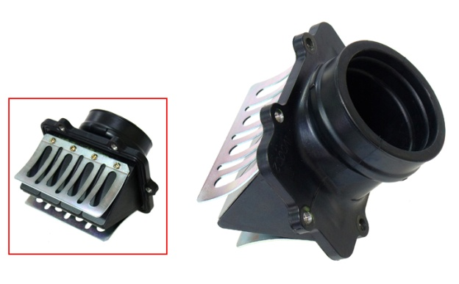

SM-07141
OEM# 420867260
SM-07180
OEM# 420667530, 420667532, 420667533,
420924798, 420924519

APPLICATION | YEAR | OEM # | NI #
LYNX
49 RANGER 600 ETEC | 2011-18 | 420667530, 420667533 | SM-07180
49 RANGER PRO 600R ETEC | 2021-23 | 420924798 | SM-07180
59 RANGER 600 EFI | 2021-23 | 42092451 | SM-07180
69 YETI ARMY 600 ETEC | 2013-20 | 420667530, 420667533 | SM-07180
ADVENTURE GT 600 | 2009-12 | 420667530, 420667533 | SM-07180
ADVENTURE GT 600 SDI | 2006-08 | 420867260 | SM-07141
BOONDOCKER 600 ETEC | 2013-18 | 420667530, 420667533 | SM-07180
COMMANDER 600 ETEC | 2017-19 | 420667530, 420667533 | SM-07180
COMMANDER 600R ETEC | 2019-23 | 420924798 | SM-07180
ENDURO 600 | 2003-04 | 420867874 | SM-07089
ENDURO 600 SDI | 2005 | 420867260 | SM-07141
ENDURO 700 | 2002 | 420867870, 420867873 | SM-07090
RAVE /RC 600 SDI | 2006-08 | 420867260 | SM-07141
RAVE 800 | 2001-03 | 420867870, 420867873 | SM-07090
RAVE CROSS | 2003-04 | 420867874 | SM-07089
RAVE CROSS | 2001 | 420867870, 420867873 | SM-07090
RAVE ENDURO 600R ETEC | 2021-23 | 420924798 | SM-07180
RAVE RE 600 | 2007-08 | 420867879 | 07-102-08
RAVE RE 600 ETEC | 2009-17 | 420667530, 420667533 | SM-07180
RAVE RE 600R ETEC | 2021-23 | 420924798 | SM-07180
RAVE RS 600RS ETEC | 2019-23 | 420924798 | SM-07180
RAVE XTRIM N-DURO 600 SDI | 2006-07 | 420867260 | SM-07141
SHEDDER RE 850 ETEC TURBO R | 2023 | 420924798 | SM-07180
SHREDDER RE 850 ETEC | 2023 | 420924798 | SM-07180
SHREDDER STD 600R ETEC | 2023 | 420924798 | SM-07180
SPORT TOURING 600 | 2002 | 420867874 | SM-07089
SUPER TOURING 700 | 2002 | 420867870, 420867873 | SM-07090
SUPER TOURING 800 | 2002 | 420867870, 420867873 | SM-07090
XTERRAIN 600 EFI | 2021-23 | 420924519 | SM-07180
XTERRAIN 600R ETEC | 2021-23 | 420924798 | SM-07180
XTERRAIN 850 ETEC | 2021-23 | 420924798 | SM-07180
XTERRIAN BRUTAL 850 ETEC | 2021-23 | 420924798 | SM-07180
XTERRIAN PRO 600R ETEC | 2021-23 | 420924798 | SM-07180
XTERRIAN PRO 850 ETEC | 2021-23 | 420924798 | SM-07193
XTRIM /SC 600 ETEC | 2009-18 | 420667530, 420667533 | SM-07180
XTRIM 600 SDI | 2008 | 420867260 | SM-07141

REED VALVE ASSEMBLIES

APPLICATION | YEAR | OEM # | NI #
LYNX
XTRIM COMMANDER 600 | 2009-16 | 420667530, 420667533 | SM-07180
YETI TUV 600 SDI | 2007-08 | 420867260 | SM-07141

SKI-DOO
BACKCOUNTRY 600 EFI SPORT | 2021-23 | 420924519 | SM-07180
BACKCOUNTRY 600R ETEC | 2020-23 | 420924798 | SM-07180
BACKCOUNTRY 850 ETEC | 2020-23 | 420924798 | SM-07180
EXPEDITION LE/SE 600HO E-TEC | 2017-19 | 420667530, 420667533 | SM-07180
EXPEDITION LE/SE 600HO ETEC XU | 2011-19 | 420667530, 420667533 | SM-07180
EXPEDITION LE/SE 600R ETEC 20 INCH / 24 INCH | 2023 | 420924798 | SM-07180
EXPEDITION SE 850 ETEC | 2023 | 420924798 | SM-07180
EXPEDITION TUV 600 HO SDI | 2009-10 | 420667530, 420667533 | SM-07180
FREERIDE 850 ETEC | 2021-23 | 420924798 | SM-07180
FREERIDE 850 ETEC TURBO R | 2023 | 420924798 | SM-07180
GRAND TOURING 600HO E-TEC | 2017-18 | 420667530, 420667533 | SM-07180
GRAND TOURING LE 600HO ETEC | 2010-18 | 420667530, 420667533 | SM-07180
GSX 600 HO | 2004-05 | 420867879 | 07-102-08
GSX 600 HO SDI | 2004-06 | 420867260 | SM-07141
GSX LE/SE/LTD 600 HO SDI/ETEC | 2008-14 | 420667530, 420667533 | SM-07180
GSX LTD 600 HO SDI | 2007 | 420867260 | SM-07141
GSX LTD TOURING 600HO SDI | 2008 | 420667530, 420667533 | SM-07180
GSX SPORT 600 HO SDI | 2007 | 420867260 | SM-07141
GTX 600 HO SDI | 2005-06 | 420867260 | SM-07141
GTX LE 600 HO. ETEC | 2009 | 420667530, 420667533 | SM-07180
GTX LTD 600 HO SDI | 2007-08 | 420867260 | SM-07141
GTX SPORT 600 HO SDI | 2007-08 | 420867260 | SM-07141
LEGEND 700 | 2002-04 | 420867870, 420867873 | SM-07090
LEGEND 800 | 2002 | 420867870, 420867873 | SM-07090
MX Z 50TH ANNIVERSARY | 2009 | 420667530, 420667533 | SM-07180
MX Z 600 HO | 2003 | 420867874 | SM-07089
MX Z 600 HO ADRENALINE | 2004-07 | 420867879 | 07-102-08
MX Z 600 HO RENEGADE, X | 2004-05 | 420867879 | 07-102-08
MX Z 600 HO REV | 2003 | 420867879 | 07-102-08
MX Z 600 HO SDI | 2004 | 420867260 | SM-07141
MX Z 600 HO SDI ADRENALINE & X | 2005-07 | 420867260 | SM-07141
MX Z 600 HO SDI BLIZZARD | 2007 | 420867260 | SM-07141
MX Z 600 HO SDI RENEGADE & RENEGADE X | 2005-07 | 420867260 | SM-07141
MX Z 600 HO TRAIL, X | 2004-05 | 420867879 | 07-102-08
MX Z 700 | 2003 | 420867870, 420867873 | SM-07090
MX Z 800 | 2002-03 | 420867870, 420867873 | SM-07090
MX Z ADRENALINE 600 HO SDI/ETEC | 2008-10 | 420667530, 420667533 | SM-07180
MX Z BLAIR MORGAN SPECIAL EDITION | 2003 | 420867879 | 07-102-08
MX Z RENEGADE/X 600 HO SDI/ETEC | 2008-09 | 420667530, 420667533 | SM-07180
MX Z TNT 600 HO | 2009 | 420667530, 420667533 | SM-07180
MX Z TNT 600 HO ETEC | 2011-16 | 420667530, 420667533 | SM-07180
MX Z X 600 HO SDI | 2007 | 420867260 | SM-07141
MX Z X 600 HO SDI/ETEC | 2008-16 | 420667530, 420667533 | SM-07180
MX Z X-RS 600 HO ETEC | 2010-16 | 420667530, 420667533 | SM-07180
MX Z X-RS 600 HO SDI | 2007 | 420867260 | SM-07141
MXZ 600 EFI SPORT | 2021-23 | 420924519 | SM-07180
MXZ 600HO E-TEC | 2017-18 | 420667530, 420667533 | SM-07180
MXZ 600HO SDI/ETEC ALL | 2008-18 | 420667530, 420667533 | SM-07180
MXZ 600R ETEC | 2020-23 | 420924798 | SM-07180
MXZ 600RS | 2020-23 | 420924798 | SM-07180
MXZ 850 ETEC | 2020-23 | 420924798 | SM-07180
RENEGADE 600HO ETEC | 2017-18 | 420667530, 420667533 | SM-07180
RENEGADE ADRENALINE 600 HO | 2010-16 | 420667530, 420667533 | SM-07180
RENEGADE BACKCOUNTRY 600 HO ETEC | 2010-16 | 420667530, 420667533 | SM-07180
RENEGADE BACKCOUNTRY X 600 HO ETC | 2011-16 | 420667530, 420667533 | SM-07180
RENEGADE X 600 HO ETC | 2010-16 | 420667530, 420667533 | SM-07180
SKANDIC LE/SE 600R ETEC 20 INCH / 24 INCH | 2023 | 420924798 | SM-07180
SKANDIC WT/SWT 600 HO ETEC | 2011-20 | 420667530, 420667533 | SM-07180
SUMMIT 600 EFI | 2023 | 420924519 | SM-07180
SUMMIT 600 HO | 2004-05 | 420867879 | 07-102-08
SUMMIT 600 HO | 2003 | 420867874 | SM-07089

REED VALVE ASSEMBLIES

APPLICATION | YEAR | OEM # | NI #
SKI-DOO
SUMMIT 600 HO SDI, ADRENALINE | 2006-07 | 420867260 | SM-07141
SUMMIT 600HO E-TEC | 2017-18 | 420667530, 420667533 | SM-07180
SUMMIT 700 | 2002-03 | 420867870, 420867873 | SM-07090
SUMMIT 800 | 2002 | 420867870, 420867873 | SM-07090
SUMMIT 850 ETEC | 2020-23 | 420924798 | SM-07180
SUMMIT 850 ETEC TURBO R | 2020-23 | 420924798 | SM-07180
SUMMIT EVEREST 600 HO ETC | 2009-11 | 420667530, 420667533 | SM-07180
SUMMIT SP 600 HO ETEC | 2012-16 | 420667530, 420667533 | SM-07180
SUMMIT X 600 HO. ETEC | 2009-18 | 420667530, 420667533 | SM-07180
TUNDRA 600HO E-TEC | 2017-20 | 420667530, 420667533 | SM-07180
TUNDRA XTREME 600 HO ETEC | 2011-20 | 420667530, 420667533 | SM-07180

